Visagio (4)
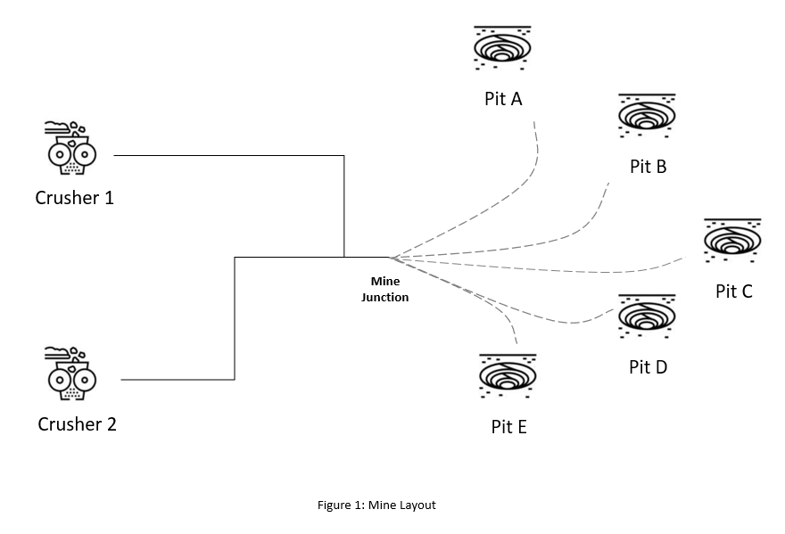
Distance from charging stations to pits (km) |  |  |  |  |  |  | Distance from charging stations to crushers (km)
 | Pit A | Pit B | Pit C | Pit D | Pit E |  |  | Crusher 1 | Crusher 2
Charging Station 1 | 2.20 | 1.96 | 4.72 | 6.02 | 8.73 |  | Charging Station 1 | 3.0 | 4.2
Charging Station 2 | 3.60 | 2.93 | 2.84 | 4.52 | 6.04 |  | Charging Station 2 | 2.9 | 3.8
Charging Station 3 | 4.41 | 2.89 | 2.26 | 3.35 | 5.73 |  | Charging Station 3 | 2.5 | 3.8
Charging Station 4 | 7.41 | 4.33 | 2.23 | 1.28 | 2.61 |  | Charging Station 4 | 2.9 | 4.0

Daily demand at Pit (Tonnes) |  |  | Daily demand at crushers (Tonnes)
Pit | Tonnes | Trucks | Crusher | Tonnes | Trucks
Pit A | 10308 | 42.771784232 | Crusher 1 | 21307 | 88.410788382
Pit B | 8428 | 34.970954357 | Crusher 2 | 22651 | 93.987551867
Pit C | 7467 | 30.98340249
Pit D | 9155 | 37.987551867
Pit E | 8600 | 35.684647303

Additional
Average truck load | 241 |  |  |  |  |  |  |  |  | 45*2.2

 |  |  |  |  | Charging Station1 |  |  | Charging Station2 |  | Charging Station3 | Charging Station4
 |  |  |  |  | Crusher to Pit | Distance |  | Distance |  | Distance | Distance
 |  |  |  |  | Crusher1 to PitA | 5.2 |  | 6.50 |  | 6.91 | 10.31
 |  |  |  |  | Crusher1 to PitB | 4.96 |  | 5.83 |  | 5.39 | 7.23
 |  |  |  |  | Crusher1 to PitC | 7.72 |  | 5.74 |  | 4.76 | 5.13
 |  |  |  |  | Crusher1 to PitD | 9.02 |  | 7.42 |  | 5.85 | 4.18
 |  |  |  |  | Crusher1 to PitE | 11.73 |  | 8.94 |  | 8.23 | 5.51
 |  |  |  |  | Crusher2 to PitA | 6.4 |  | 7.40 |  | 8.21 | 11.41
 |  |  |  |  | Crusher2 to PitB | 5.16 |  | 6.73 |  | 6.69 | 8.33
 |  |  |  |  | Crusher2 to PitC | 8.92 |  | 6.64 |  | 6.06 | 6.23
 |  |  |  |  | Crusher2 to PitD | 10.22 |  | 8.32 |  | 7.15 | 5.28
 |  |  |  |  | Crusher2 to PitE | 12.93 |  | 9.84 |  | 9.53 | 6.61

 | C1 to Pa | C1 to Pb | C1 to Pc | C1 to Pd | C1 to Pe | C2 to Pa | C2 to Pb | C2 to Pc | C2 to Pd | C2 to Pe
Charging Station1 | 5.2 | 4.96 | 7.72 | 9.02 | 11.73 | 6.4 | 5.16 | 8.92 | 10.22 | 12.93
Charging Station2 | 6.5 | 5.83 | 5.74 | 7.42 | 8.94 | 7.4 | 6.73 | 6.64 | 8.32 | 9.84
Charging Station3 | 6.91 | 5.39 | 4.76 | 5.85 | 8.23 | 8.21 | 6.69 | 6.06 | 7.15 | 9.53
Charging Station4 | 10.31 | 7.23 | 5.13 | 4.18 | 5.51 | 11.41 | 8.33 | 6.23 | 5.28 | 6.61

